DW Basics
Data Processing Systems
It help you store and analyze business data
You can collect and store data
 | from multiple sources such as:
 |  | websites
 |  | applications
 |  | smart meters
 |  | internal systems
OLTP (Online Transaction Processing) is optimized for:
 |  | transactional processing
 |  | real-time updates
 | The purpose is process database transactions
OLAP (Online analytical processing) is optimized for:
 |  | complex data analysis
 |  | reporting
 | The purpose is analyze aggregated data

Data Warehouse
Data location that is used for
 | reporting
 | data analysis
 |  | purposes
Benefits:
 | Centralized and consistent location for data
 | Data must be accesible fast (Query performance)
 | User-friendly (easy to understand)
 | Must load data consistently and repeatedly (ETL)
 | Reporting and data visualization built on top
We create our data warehouse for business intelligence
 | What is business intelligence?
 |  | Set of strategies and technologies for:
 |  |  |  | analyzing business information
 |  |  |  | transforming it into actionable insights that
 |  |  |  |  | inform strategic and tactical business decisions
 |  | It involves:
 |  |  | Data gathering
 |  |  | Data storing
 |  |  | Reporting
 |  |  | Data visualization
 |  |  | Data mining
 |  |  | Predictive analytics

Data Lake vs Data Warehouse
Data lake & data warehouse are both used as centralized data storage
Data lake:
 | It usually stores raw data
 |  | data is unstructured
 | Purpose not defined initially
 | Consumed for:
 |  | Data Scientists
Data Warehouse:
 | It usually stores processed data
 |  | data is structured
 | Purpose defined
 | Consumed for:
 |  | Business Users & IT
Purchasing
Datawarehouse Architecture Layers
Analytics

Operational Database
Core Data WH
Staging
Area
Sales
Reporting

Flat Files
Mining
 |  |  | ETL |  |  |  |  | ETL
Inventory

 |  |  |  |  |  |  |  |  |  |  |  | ETL

Data Sources |  |  |  | Staging Area (Landing Zone) |  |  |  |  | Core Data WH |  |  |  | Data Marts (Optionally) |  | User Consumption
Original Business Data |  |  |  | Consolidate data from sources |  |  |  |  | Consolidate data from staging area |  |  |  | Subset of a WH focused on: |  | Users consumes data for needs like
Different Data Types |  |  |  |  | Using a common format |  |  |  |  | Applying |  |  |  | Particular line of business |  | Reporting
 | Relational DB |  |  |  |  | Raw data (in tables) |  |  |  |  | Business logic |  |  | Department |  | Analytics
 | Files |  |  | Few transformations recommended like: |  |  |  |  |  |  | Needed transformations |  |  | Subject Area |  | Mining
 | etc |  |  |  | Appending tables |  |  |  | Ideal for query |  |  |  | Each subset has the relevant tables
 |  |  |  |  | Combining tables |  |  |  | It can have: |  |  |  |  | For use-case
 |  |  |  |  | Column names standarizing |  |  |  |  | Schemas (Buckets) |  |  | Increase performance
 |  |  |  | Why is recommended? |  |  |  |  |  | Tables |  |  |  | Using dimensional modeling
 |  |  |  |  | reduces extraction time |  |  |  |  | Views |  |  |  | In-memory databases
 |  |  |  |  | identify which data is new |  |  |  |  | Store Procedures |  |  |  | dimensional cubes
 |  |  |  |  |  | using deltas |  |  |  | etc
 |  |  |  |  |  |  | use a delta column
 |  |  |  |  |  |  |  | date column
 |  |  |  |  |  |  |  | id

Relational Database
Database
store data in tables
data structured into columns and rows
we use sql
we use keys
 | put this tables into relations
 | Primary key
 |  | uniquely identify every single row in our table
 |  |  | Column apropiated
 |  |  |  | needs to contain only unique values
 | multiple foreign keys
 |  | reference another table
 |  |  | contain primary keys values from another table

In Memory Databases
Traditional databases usually stores data on
 | Solid drive disks
 |  | when data is queried or processed
 |  |  | we load data in memory
 |  |  |  | then there is a response time
In-memory databases
 | Built without disk
 | all the data is stored in memory
 |  | this eliminate response time coming from the disk
 |  |  | columnar storage
 |  |  |  | data is scanned through columns
 |  |  |  | parallel query plans
 |  |  |  |  | larges queries can be broken down into multiple parts
 |  |  |  |  |  | then be processed parallel by different threats
Benefits
 | Highly optimized for query performance
 | Good for analytics / High query volume
 | Usually used for data marts
 | Relational and non-relational data allowed
High price
Durability
 | Lose all information when device loses power or is reset
 | We need to add additional to add additional technologies to get this durability
 |  | Use snapshots / images if:
 |  |  | data is lost
 |  |  | device is updated or restarted
Ideal use relevant data

OLAP Cubes
data structure that allows
 | fast analysis of data according to
 |  | multiple Dimensions
 |  |  | that define a business problem
 |  | Arrays instead of tables
Benefits
 | It increases query performance
 | Increase the performance of our data marts
 | Works well with many BI solutions
 | Good for interactive queries with hierarchies
MDX language
 | multidimensional expression
 |  | used to query data from cubes
Interactive tools to drill /slice & dice
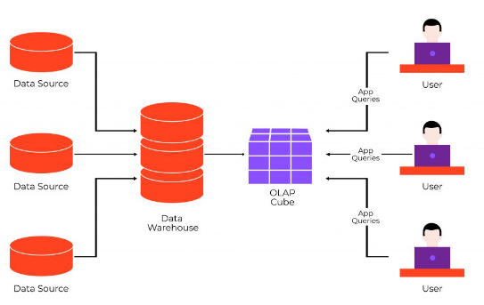
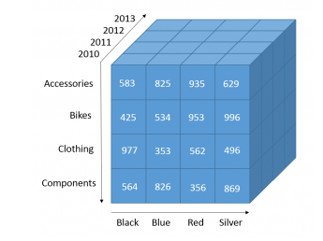

Operational Data Storage
It's used to store data from different sources using an ETL process
but the purpose is not analytical
the purpose is operational decision making
Requirements
 | No need for long history
 | Needs to be very current or real-time
Example
Financial service company
has customers doing different things like:
 | investing in ETFs
 | investing in stocks
 | investing in cryptocurrencies
 |  | then we need the overall balance
 |  |  | for every investment from those different systems
 |  |  |  | To reflected inmediately
 |  |  |  |  | For operational decisions like
 |  |  |  |  |  | Give a credit or not
 |  |  |  |  |  | Close an account
 |  |  |  |  |  | etc
It's getting less relevant

Dimensional Model
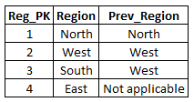
Dimensional Modeling |  |  |  |  |  | No Dimensional Modeling
Clasic method of organizing data (In a Data Warehouse)
 | Optimized for faster data retrieval
 | Designed for reporting / OLAP
In a Data Warehouse there are requirements
 | Usability
 | Performance
How it works?
 | Data is organized in logical units
 |  | Facts |  |  |  | Dimensional Modeling
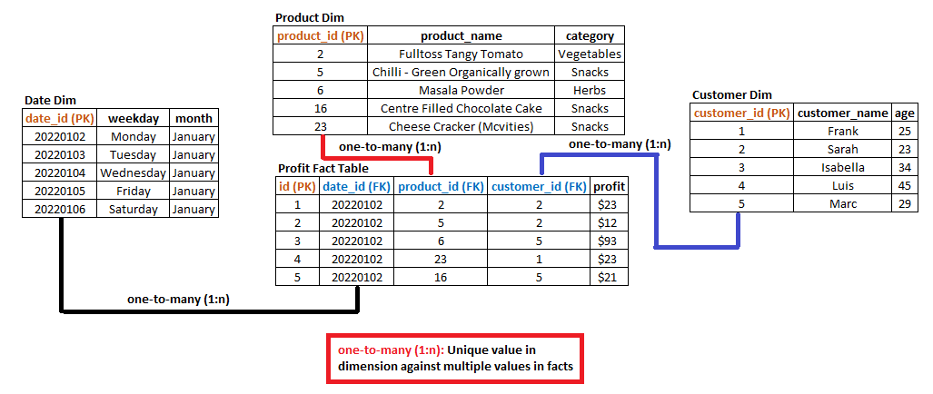
 |  |  | Foundation
 |  |  | key measurements
 |  |  | Aggregated and analyzed
 |  |  |  | Numerical Values
 |  |  |  | Event or transactional data
 |  |  | Measurement like
 |  |  |  | profit
 |  |  |  | sales
 |  |  | It has
 |  |  |  | Primary Key
 |  |  |  | Foreign Keys
 |  |  |  | Facts
 |  |  | Most atomic level
 |  | Dimensions
 |  |  | Categorizes facts
 |  |  | Supportive and descriptive
 |  |  | Filtering, grouping and labeling
 |  |  | Context like category or period
 |  |  | Non-aggregatable
 |  |  | It has
 |  |  |  | Primary Key
 |  |  |  | Foreign Keys (Optional)
 |  |  |  | Dimensions
 |  | With this we can give an additional context
 |  |  | Profit by year
 |  |  | Profit by category
 |  |  |  | We can get meaningful insight from our data
Star Schema
Most common schema in Data Mart
Simplest form (vs. Snowflake schema)
Work best for specific needs
 | simple set of queries vs complex queries
It has
 | Usability
 | Performance for specific (read) use-case
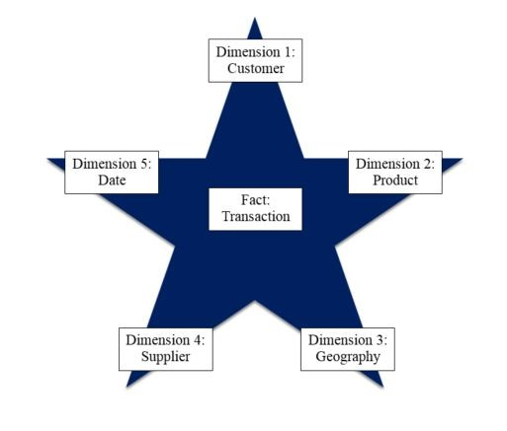

Normalized vs Denormalized
Normalized
 | Technique to avoid redundancy
 | Minimizes storage
 | Performance (write/update)
 | Many Tables
 | Many joins necessary
Denormalized
 | There is data redundancy
 | Optimized to get data out
 | Query performance (read)
 | User experience
Snowflake Schema
Extension of a star schema
Dimension are broken down into subdimensions
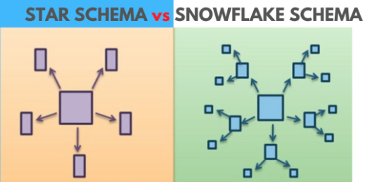

Advantages:
 | Less space (storage cost)
 | No (less) redundant data
 |  | easier to mantain/update
 |  | less risk of corrupted data
 | Solves write slow downs
Disadvantages:
 | More complex
 | More Joins
 |  | More complex SQL queries
 | Less performance Data Marts / Cubes
 | No ideal for Data Marts
Facts
Additivity
 | Fully Additive Facts :
 |  | Can be added across all dimensions
 |  | Most flexible and Useful
 |  | Most facts are fully additive
 |  | Ex: Units
 | Semi-additive Facts :
 |  | Can be added across a few dimensions
 |  | Used carefully and less flexible
 |  | Averaging might be an alternative
 |  | Ex: Balance
 | Non-additive Facts : Can NOT be added across any dimensions
 |  | Cannot be added across any dimension
 |  | Limited analytical value
 |  | Store underlying value
 |  | Ex: Ratio,price
Nulls
 | We can deal with this problem using
 |  | 0
 |  | adding other values
 |  | Creating a new value for null values in dimensions
Year-to-Date
 | period of time beginning the first day
 |  | of the current calendar year
 |  |  | or fiscal year up to the current date
 | often requested by users
 | Tempted to store them in columns
 | Month-to-date, Quarter-to-date, Fiscal-Year-to-date
 | Better store the underlying values in defined grain
 | Instead calculate all the to-date varitions in BI tool
Type of Facts:
 | Transactional
 |  | 1 row = measurement of 1 event/transaction
 |  | Taken place at a specific time
 |  | One transaction defines the lowest grain
 |  | Characteristics:
 |  |  | Most common and very flexible
 |  |  | Typically additive
 |  |  | Tend to have a lot of dimensions associated
 |  |  | Can be enormous in size
 | Periodic Snapshot
 |  | 1 row = summarizes measure of many events/transactions
 |  | Summarized of standard period (e.g. 1 day, 1 week etc)
 |  | Lowest period defines the grain
 |  |  | ex: revenues,sales per week
 |  | Characteristics:
 |  |  | Tend to be not as enormous in size
 |  |  | Typically additive
 |  |  | Tend to have a lot of facts and fewer dimensions associated
 |  |  | No events = null or 0
 | Accumulation snapshot
 |  | 1 row = summarizes measure of many events/transactions
 |  | summarized of lifespan of 1 process (e.g. order fulfillment)
 |  | Definite beginning and definite ending (and steps in between)
 |  | Characteristics:
 |  |  | Least common
 |  |  | Workflow or process analysis
 |  |  | Multiple date/time foreign keys (for each process step)
 |  |  | Date/time keys associated with role-playing dimension
Factless Fact Table
Table that contains only foreign keys
 | to dimensions, but no numeric facts
 |  | No metrics associated
Steps to create a fact table
Define the key decision we need to take during the design
 | Considering business needs
 | 1-Identify business process for analysis
 |  | Sales
 |  | Order processing
 | 2-Define the grain
 |  | Level of detail in our table
 |  |  | One row refering to?
 |  |  |  | Transaction
 |  |  |  | Order
 |  |  |  | Order lines
 |  |  |  | Daily
 |  |  |  | Daily + location
 | 3-Identify dimensions that are relevant
 |  | What, when, where, how and why
 |  | Time, locations, products, customers
 | 4-Identify facts for measurement
Natural vs Surrogate Key
Natural Key
 | Come out of the Source system
Surrogate Key
 | Artifitial keys
 | Integer number
 | _PK or _FK suffix
 | Created by the database / ETL tool
 | Benefits:
 |  | Improve performance (less storage/better joins)
 |  |  | Better performance also for the relationships between
 |  |  |  | facts
 |  |  |  | dimensions
 |  | Handle dummy values (nulls/missing values) e.g. 999 or -1
 |  | Integrate multiple source systems
 |  | Easier administrate /update
 |  | Sometimes there are even no natural keys available
 | Always use surrogate keys in tables as main PK and FK
 | Both for facts and dimensions (except date dimension)
 | Optionally keep the natural keys
Example Facts
E-Commerce company
 | selling multiple products
 |  | on three large websites
 | each website operated independently by multiple departments
Data Collection
 | Shopping cart check out
 |  | where customer is doing purchases
 |  | granularity: one row represents one single item order line
 |  |  | one item in a given order

 | there are other data sources like:
 |  | picking of the date
 |  | supplier delivery etc
Talk with the managers and find out about their goals
 | Logistics in warehouse
 | Maximizing profits
 |  | Profit margine
 |  | Sales Volume
 |  | Product Costs
 |  | Promotions
 |  | Discounts
Step 1 - Identify the business process
 | Most critical for business
 |  | In this case Sales transactions
 |  |  | Which products sold
 |  |  | What is sales profit
 |  |  | Sales of each website
 |  |  | Performance on different days
 |  |  | Sales over time
 | Verify
 |  | Data Availability
 |  | Data Quality
Step 2 - Declare the grain
 | define what represents one row in our fact table
 |  | most analytical value with atomic grain
 |  |  | highest level of detail in our fact table
 |  |  |  | One row represents one single item order line
 |  | this give us highest dimensionality
Step 3 - Identify dimensions
 | Customers
 | Products
 | Promotions
 | Time/date
 | Website
Step 4 - Identify facts for measurement
 | Naturally derived after grain defined

Dimensions
Use a Surrogate Key instead of Natural Key
 | Create a lookup table with the relation
 | Add the surrogate value to the dimension and fact
 |  | Using the lookup table
Used to filter and group (Slice and dice) our data
Date dimension
 | One of the most common dimension
 | Most important dimension
 | Used to measure the performance over time
 | Contains date related features
 | Meaningful surrogate key (YYYYMMDD-20220402)
 | Extra row for no date/null (source) -> 1900-01-01 (dim)
 | Time is usually a separate dimension
 | Can be populated in advance (e.g. for next 5 or 10 years)
 | features:
 |  | Numbers and text (e.g. January, 1)
 |  | Long and abreviated (jan, January - Mon, Monday)
 |  | Combinations of attributes (Q1, 2022-Q1)
 |  | Fiscal dates (Fiscal year etc)
 |  | Flags (weekend, company holidays etc)
Nulls in dimensions
 | Nulls must be avoided in FKs
 |  | Create a Dummy value
 |  |  | 999 or -1
 |  |  | 19000101 for dates
 |  |  | Include de dummy value
 |  |  |  | in the dimension
 | Replace nulls with descriptive values
 |  | More understable for business users
 |  | Values appear in aggregations in BI tools
Hiearchies in dimensions
 | Source data
 | Often normalized
 | Snowflaked schema (should be avoided)
 |  | Bad for usability and performance
 | Recommended |  |  |  | Not Recommended
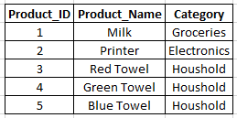

Conformed dimensions
 | dimensions that are shared by multiple stars
 | dimension shared by multiple fact tables / stars
 | used to compare facts across different fact tables
 |  | identify the identical attributes
 |  | same granularity not neccesary
 |  | different FK possible

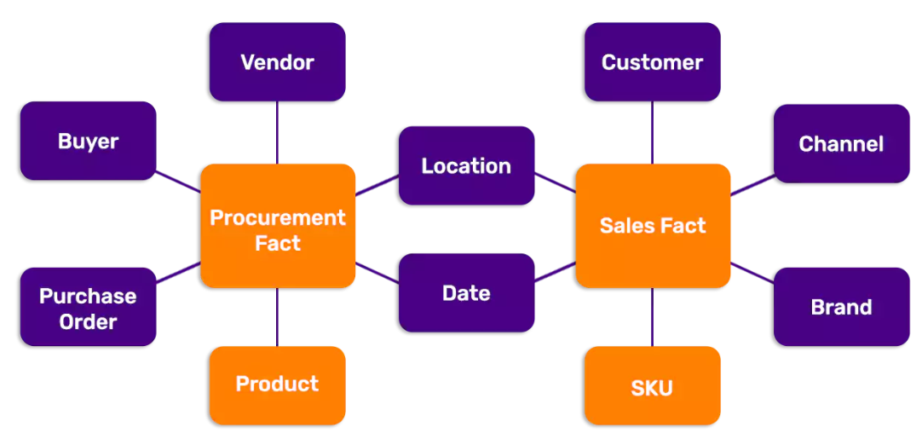

Degenerated dimension
Dimension that have no attributes
 | other than a key
All relevant information have already been extracted
 | (to other dimensions)
Attribute can be still useful
Indicate that it is a deg. dim. (e.g._DD)
Junk dimension
dimension table consisting of attributes
 | that do not belong in the fact table
 |  | or in any of the existing dimension tables
 |  | flags or indicators
 |  |  | low cardinality (not many optional values)
eliminate them if they are not relevant
leave them as they are in the fact
One flag -> One dimension

Role Playing dimension
dimension that can filter related facts differently
A table with multiple relationships between itself
 | and another table is known as a role-playing dimension

Slowly Changing Dimensions
In real world many attributes
 | in our dimensions are subject to changes
Type 0 - Original
 | There won't be any changes
 | Very simple and easy to mantain
 | Example
 |  | Date Table
Type 1 - Overwrite
 | Old attributes are just overwritten
 | Only current state is reflected
 | No fact table needs to be modified
 | Problem
 |  | History is lost
 | Might affect / break existing queries
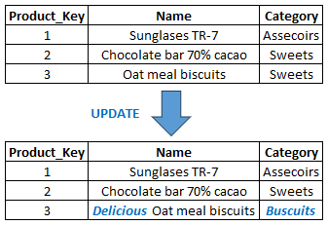

Type 2 - Additional Row
Deal with problem with type 1:
 | No history of dimensions!
Respecting history
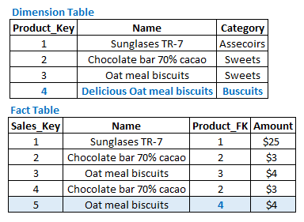

To count distinct values:

Include Period in which values are valid:

Add a flag:

Type 3 - Additional Attribute
Type 1 | Static
Type 2 | Default strategy to mantain reflect history
Type 3 | In between: Switching back and forth between versions
Instead of adding a row - we add a column
Typically used for significant changes at a time
 | (e.g. restructurings in organizations)
Enables switching between historic / current view
It is possible to add multiple historic columns
Limitions:
 | Not suitable for frequent or unpredictable changes => better type 2
 | Minor changes => better type 1

ETLs
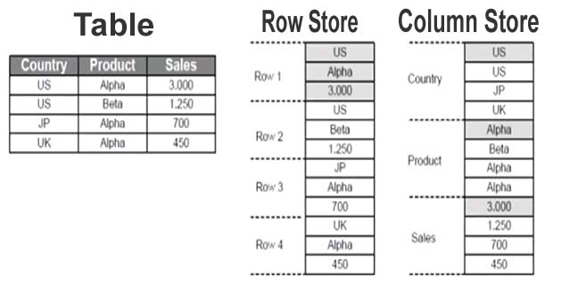
ETL-Tool
Extract,Transform,Load

Connect to different data sources (Read)
Transform / Clean data
 | Changing data types
 | Adding columns
 | Renaming columns
 | Truncating columns
 | etc
Load Data (Write) in data warehouse

ETL-Setup
Building workflows
 | Staging workflow
 | Core / Transformation workflow
 | Data Mart workflow
Schedule using jobs
 | Run the workflows
 | Are scheduled based on defined rules

Extracting
Data is part of DWH
Understanding data
From here data is transformed
Transient (Most Commonly)
 | All data in staging area is truncated
 |  | once it has been copied into core warehouse with transformations
 | Until the next run will be empty
All data copied and then deleted
Initial Load
 | First real run
 |  | First initial extraction from source data
 |  | After discussion with the business users + IT
 |  |  | what data is needed
 |  |  | when is a good time to load the data
 |  |  | Smaller extractions to test
 | All data
Delta Load
 | Subsequent runs
 | Only additional data
 | Incremental periodic extraction / load
 | Define a delta column for every table
 |  | typically a timestamp column or transaction date
 |  | define which parameter help to identify new data
 | What if there is no delta column?
 |  | Some tools can capture automatically which data
 |  |  | has been already loaded
 |  |  |  | using metadata
 |  | Just full load everytime and compare the data with data
 |  |  | that is already loaded
 |  | Depending on the data volumes -> performance
Load Workflow
 | How the load process works
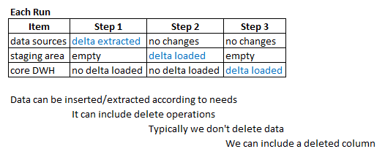

Transformations
Commonly Applied between staging area and Core DWH
1-Consolidate from multiple systems
 | Integrate data from multiple sources with conversions like:
 |  | data type
 |  | column names
 |  |  | Making data compatible and consistent
2-Reshape (for analysis purposes)
 | Pivot tables
 | Including primary keys
 | etc
Type of transformations:
 | basic:
 |  | deduplication
 |  |  | removing duplicates
 |  | filtering (rows & columns)
 |  |  | filtering according to conditions
 |  | cleaning & mappings (integration)
 |  |  | mapping diferent values
 |  | value standarization (integrations)
 |  |  | aligning data types and units
 |  | key generation
 |  |  | include the surrogate key
 | advanced:
 |  | joining
 |  |  | joining data from multiple tables
 |  | splitting
 |  |  | splitting information in columns
 |  |  |  | by length/position
 |  |  |  | by delimiter
 |  | aggregating
 |  |  | aggregating by some fields
 |  |  |  | and applying to values
 |  |  |  |  | sum
 |  |  |  |  | avg
 |  |  |  |  | count
 |  |  |  |  | distinc count
 |  | deriving new values
 |  |  | creating new calculated values

ELT (Extract,Load,Transform)
Eliminates the need for a separate transformation process
 | which can result in cost savings
It help businesses optimize their:
 | storage costs
 | processing costs
 |  | because
 |  |  | only the necessary data is loaded into the target system
 |  |  | processing resources can be scaled as needed.
 |  |  |  | ex: snowflake with massive parallel processing
User can do transformations according to their needs
 | using
 |  | views
 |  | SQL commands
 |  | etc
 |  |  | The DB has to have high computer capacity
We have to evalute advantages and disadvantages to use:
 | ETL
 | ELT

ETL
 | More stable with defined transformations
 | More genereric user-cases
 | Security
 | Reporting
 | Easy to use
ELT
 | Requires high performance DB
 | More flexible
 | Transformations can be changed quickly
 | Real-time requirements
 | Data Science
 | Machine Learning
 | Big data

Data Warehouse Use Example
 | 1-Create DWH
 | 2-Connect to DWH with Power BI
 | 3-Define Data Model
 | 4-Create Graphs and all you need
 |  | For extracting insights

Optimizing a Data Warehouse
Indexes help to make data reads faster
 | Slower data writes
 | Additional storage
 | To avoid:
 |  | Full table scan
 |  | Read-inefficient
B-tree Indexes
 | Multi-level tree structure
 | Breaks data down into pages or blocks
 | Should be used for high-cardinality (unique) columns
 | Not entire table (costy in terms of storage)
Bitmap Indexes
 | Particularily good for datawarehouses
 | Large amounts of data + low-cardinality
 | Very storage efficient
 | More optimized for read & few DML-operations
 | Good for many repeating values (dimensionality)
Guidelines
 | B-tree Indexes
 |  | Default index
 |  | Unique columns (surrogate key,names)
 | Bitmap Indexes
 |  | Slow to update
 |  | Storage efficient
 |  | Great read performance
Use indexes only when is neccesary
Avoid full table reads
Small tables do not require indexes
It should be used for:
 | large tables with
 |  | low query performance
 | columns that are used as filters
Fact tables
 | Apply B-tree on surrogate key
 | Apply Bitmap key on foreign key
Dimension table
 | It depends on:
 |  | Size of table
 |  | Using in searchs
 | Apply index method based on cardinality
Example
 | CREATE INDEX customer_id_index ON core.sales
 | (customer_id ASX);

 | select * from core.sales
 | where customer_id=4;

 | DROP INDEX core.customer_id_index

The Modern Data Warehouse
On-premises
 | Own local hardware
 |  | Storage layer
 |  | Compute layer
 |  | Software layer
 | Pyysical data center
 | Benefits:
 |  | Full control
 |  | Data governance & compliance
 | Problems:
 |  | Full responsability
 |  | High costs
 |  | More internal resources
 |  | Less flexible
Cloud
 | Software-as-a-service
 | Pay for what you use
 | Managed service
 | Optimized for scalable analytics
 | Benefits:
 |  | Fully managed
 |  | Scalable
 |  | Cost-efficient
 |  | Managed security
 |  | Availability
 |  | Time to market
 | Problems:
 |  | Regulations
 | Nowdays Cloud is better and more used
 |  | because it offers:
 |  |  | Massive parallel processing (MPP)
 |  |  |  | Work load is split up & processed
 |  |  |  |  | individually in nodes
 |  |  |  | Independent resources
 |  |  |  | Benefits:
 |  |  |  |  | Modern way of solving performance issues
 |  |  |  |  | Millions of rows can be processed faster
 |  |  |  |  | Many people can run queries at the same time
 |  |  |  |  |  | with good performance
 |  |  |  |  | Helpful with centralizing massive amounts of data
 |  |  |  | Task that need to be processed by the database:
 |  |  |  |  | Run a query against the database system
 |  |  |  |  |  | select * from core.sales where customer_id = 5
 |  |  |  |  |  |  | Traditional way:
 |  |  |  |  |  |  |  | Execute subtasks in sequencial order
 |  |  |  |  |  |  | MPP way:
 |  |  |  |  |  |  |  | All subtasks can be processed in parallel
 |  |  |  |  |  |  |  |  | in different processing nodes
 |  |  | Columnar storage
 |  |  |  | All the data is grouped together by column
 |  |  |  | Organizing data this way makes it easier to:
 |  |  |  |  | aggregate data
 |  |  |  |  | perform calculations
 |  |  |  | If we wanted to find the average age of this group,
 |  |  |  |  | we could directly calculate this using the data from that specific block.
 |  |  |  | This makes column-oriented stores great for online analytical processing (OLAP)
 |  |  |  | benefits:
 |  |  |  |  | Faster data aggregation
 |  |  |  |  | High compression speeds
 |  |  |  |  |  | Select compression algorithm according to column data type
 |  |  |  |  | Requires less space

DW Example
Case Study
 | Set up a complete ETL workflow
Plan of attack

1-Look at the problem and plan
 | Look at the source data
 | develop a plan
 |  | design
 |  |  | fact tables
 |  |  | dimension tables
2-Set up tables & schema
 | table structure
 | schemas
 |  | in database management system
3-Design our staging
4-Set up our core layer (dimension table)
5-Set up our core layer (fact table)
6-Set up Job & testing
 | ETL development
 | Do testing for:
 |  | Full Load
 |  | Incremental Load (Delta Load)

START

1-Source Data & Table Design
Fact_Sales_1.csv

2-Setting up source data into the public schema
 | Load previous csv file into the table
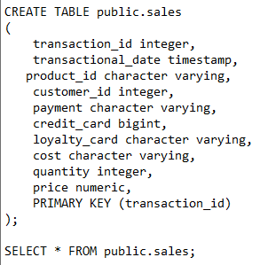

 |  |  |  | transaction_id: natural or surragate key
 |  |  |  | transactional_date: delta column

Fact table design
1-Create DateKey
 | To connect with date dimension
2-Include product_FK
 | To connect with product dimension
3-Set up payment dimension
 | junk dimension
4-Calculate additional columns
 | total_cost
 | total_price
 | profit
The final fact table is going to look like this

3-Setting up the tables in database
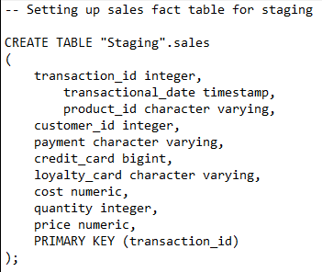
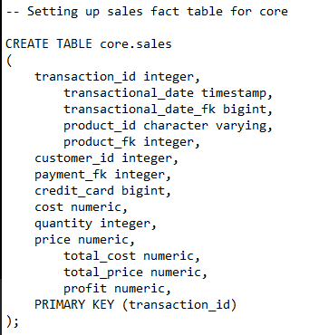

We don't need to create a stage table for this dimension

4-Staging: Sales Fact

